Sheet1
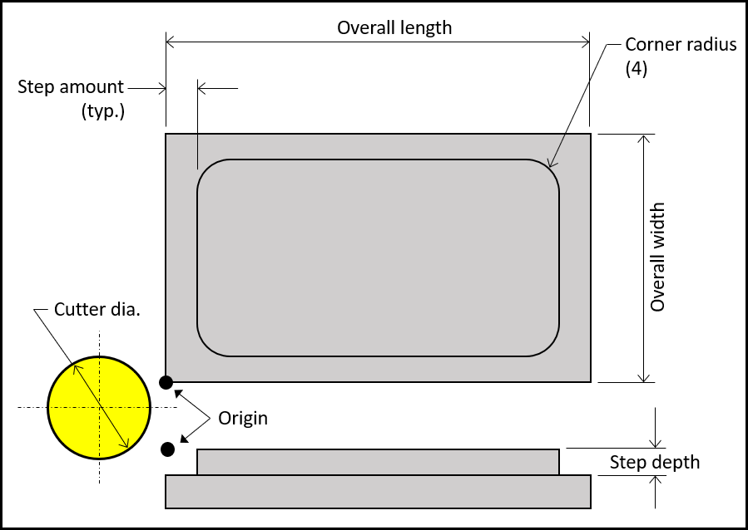
 | Input Data: |  | Motion Commands:
 | Overall length: | 4.0000 | G00 X-0.6000 Y-0.3000
 | Overall width: | 2.0000 | Z-0.1250
 | Step amount: | 0.2000 | G01 X3.5500 F5.50
 | Corner radius: | 0.2500 | G03 X4.3000 Y0.4500 R0.7500
 | Step depth: | 0.1250 | G01 Y1.5500
 | Cutter dia.: | 1.0000 | G03 X3.5500 Y2.3000 R0.7500
 | Feedrate: | 5.5000 | G01 X0.4500
 |  |  | G03 X-0.3000 Y1.5500 R0.7500
 |  |  | G01 Y0.4500
 |  |  | G03 X0.4500 Y-0.3000 R0.7500
 |  |  | G01 Z0.1
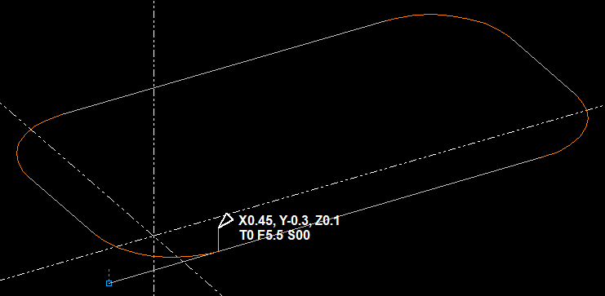

From July 2018 CNC Tech Talk in Modern Machine Shop Magazine.

